Sheet1
WS10
CAMERA_ΙΝ10 |  |  |  | CAMERA_OUT10
Camera SN | K | R | T | Camera SN | K | R | T
SN22106779 | 534.075, 0.0, 641.53, 0.0, 534.305, 355.714, 0.0, 0.0, 1.0 | -0.999708678846212, 0.0180780476635436, -0.0159919239691726, 0.0224052471724579, 0.448689103870014, -0.893407014169614, -0.00897565255021704, -0.893505048816737, -0.448963434368879 | 3.460003, -0.8772764, 5.762192 | SN23145372 | 533.77, 0.0, 634.89, 0.0, 534.15, 357.671, 0, 0, 1 | 0.998742857728863, -0.0483576393596865, 0.0132001079973982, -0.0117323353960349, -0.481527499938413, -0.876352451419642, 0.0487345508006325, 0.875095883614259, -0.481489499407454 | -3.368593, 1.777971, 0.5168315

WS20
CAMERA_IN20 |  |  |  | CAMERA_OUT20
Camera SN | K | R | T | Camera SN | K | R | T
SN29287676 | 529.215, 0, 651.855, 0, 529.005, 352.249, 0, 0, 1 | -0.998845425334745, 0.0477020468719167, 0.0056860365881063, 0.0144252911573839, 0.410722226166653, -0.911646402892993, -0.0458227810469479, -0.910511816319227, -0.410936132604795 | 9.794344, -0.6776116, 6.225895 | SN25431032 | 532.355, 0, 639.23, 0, 532.7, 348.137, 0, 0, 1 | 0.999803637756855, -0.0123936742918379, 0.0154623014363222, 0.00952677273057344, -0.383576081386609, -0.923460140119449, 0.0173760331922984, 0.923426113246556, -0.383382689808576 | -10.0587, 1.716548, 0.2782543

WS30
CAMERA_IN30 |  |  |  | CAMERA_OUT30
Camera SN | K | R | T | Camera SN | K | R | T
SN29644467 | 533.61, 0, 628.1, 0, 533.755, 359.692, 0, 0, 1 | -0.999312832688292, 0.0272783254708032, -0.0250949274557849, 0.0339416917512124, 0.401407400125066, -0.915270484985668, -0.0148937565969052, -0.915493305319238, -0.402057438595642 | 15.97728, -1.083207, 5.94811 | SN22354094 | 529.625, 0, 641.45, 0, 529.375, 356.239, 0, 0, 1 | 0.999797293180104, 0.0174970560137044, -0.00996120377218185, -0.00179010941749798, -0.415538649526371, -0.909573760757243, -0.0200541282037147, 0.90940721559742, -0.415423095363433 | -15.906, 1.789641, 0.7932649

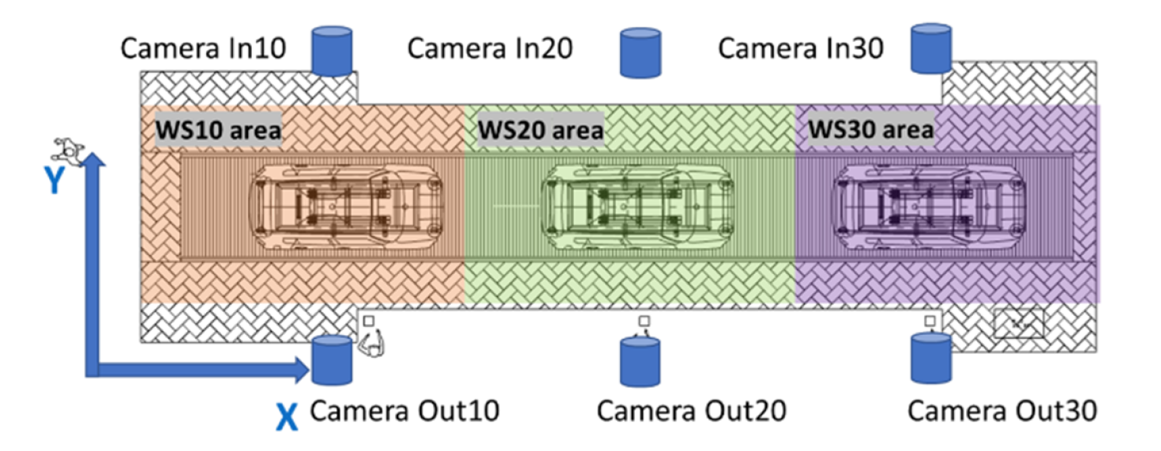
Cameras world (global) positions (X,Y,Z) (m)

CAMERA_ΙΝ10 | [3.43, 5.44, 1.82]

CAMERA_OUT10 | [3.43, 0.27, 1.82]

CAMERA_IN20 | [10.05, 5.44, 1.82]

CAMERA_OUT20 | [10.1, 0.27, 1.82]

CAMERA_IN30 | [15.97, 5.44, 1.82]

CAMERA_OUT30 | [15.97, 0.25, 1.82]

